Form
USA - IRC 2018 One Design Application - USA |  |  |  |  |  |  | OD | v.171124

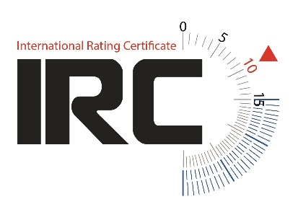
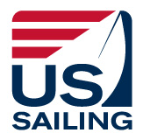
 |  | Email ".xls" or ".xlsx" file as an attachment to IRC@ussailing.org

 |  | Emailed .pdf files and faxed or mailed paper forms cannot be accepted.

 | Only use this form for recognised One Designs (see red tab below)
 | Yachts must comply with their class rules when racing. IRC Rules 13.7 & 22.4.1 apply.
 | The full IRC application form must be used if the boat does not comply with the class rules.
 | DETAILS OF BOAT AND OWNER
 | Boat name
 | Sail number |  |  | Enter letters & numbers without any spaces
 | Boat previously rated under IRC ? |  |  | If yes, last Cert No :
 | Design Class (use up/down arrows to scroll if necessary)
 | Age Date |  |  | The year your boat was launched. We will need this if you later decide to rate 'out of class'.

 | If this boat is owned by a Company, please put this in the Surname/Family name box
 | Surname / Family name (s)
 | First / given name(s)
 | User/charterer name if different
 | Address for correspondence 1
 | Address 2
 | Address 3 |  |  |  |  |  |  |  | `
 | City & State
 | Post / zip code |  |  |  | Telephone
 | Country |  |  |  | Mobile
 | * US Sailing Member Number
 | E-mail address
 | * US Sailing membership is required. Join / renew: |  |  | http://www.ussailing.org/membership/
 | In what sailing area do you mainly race? Eg. GBR South West; Mediterranean; Long Island Sound; Italy

 | RORC membership number if applicable |  |  | UNCL member?
 | Do you have a copy of the current IRC yearbook?
 | DECLARATION
 | I declare that the above yacht complies entirely with the current One Design Class Rules for this design and holds a valid class certificate. I confirm that the information supplied above is correct to the best of my knowledge. I confirm I have read the IRC Class Rules and agree to comply with them in full.

 | Name as Signature : |  |  |  | Date :

 | FEE & PAYMENT DETAILS

 | Length of Hull (auto from Design selection) |  | 0.00 | metres
 | Fees: - $25.93/m LH up to 11.99m
 | Fees: - $27.29/m LH 12.00 to 17.99m |  | Fee $ |  |  | 0.00
 | Fees: - $37.21 / m </= LH 18m
 | Expedited processing guaranteed 5 working days required (fee is doubled)
 | PAYMENT BY CREDIT CARD: - Telephone 800 − 877− 2451
 | - State that you wish to make a payment for a IRC New One Design certificate
 | - Provide the Fee. Ensure you provide the EXPEDITED FEE if the certificate is needed w/in 5 days
 | - Provide Boat Name and Sail Number, along with your Name, Member ID and credit card details
 | Payment by check: Please make payable to "US Sailing" and write BOAT NAME and "IRC OD" on the check
 | IRC certificates expire 31st December (31st May of following year for S.Hemisphere certificates)

